10_Đọc Chi Tiết Sản Phẩm
 |  | PHP Laravel 5x - Website bán hàng Bài 11: Đọc Chi Tiết Sản Phẩm

 |  |  | https://www.youtube.com/watch?v=o-L-PMgPQOQ&index=12&list=PLzrVYRai0riS_Y2L0Ox_gUL9UjPDL8p2i

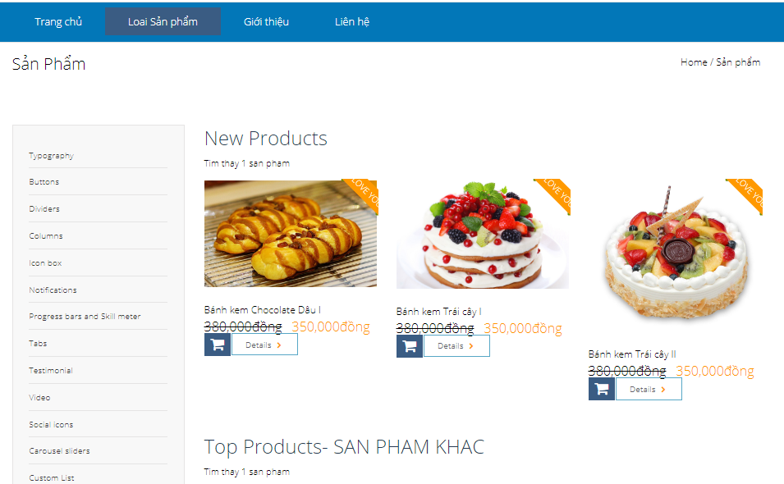

 | Dau tien, chung ta phai cau hinh route cho no
 |  | de no tro den chi tiet cua 1 san pham ( Nghia la tro den 1 san pham do thong qua id cua san pham)

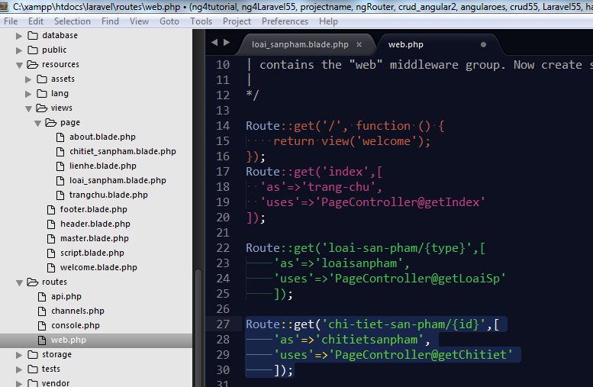

 |  |  |  |  |  |  |  |  |  |  | Route::get('chi-tiet-san-pham/{id}',[
 |  |  |  |  |  |  |  |  |  |  |  | 'as'=>'chitietsanpham',
 |  |  |  |  |  |  |  |  |  |  |  | 'uses'=>'PageController@getChitiet'
 |  |  |  |  |  |  |  |  |  |  |  | ]);

 | Sau do, chung ta qua PageController@getChitiet de thuc hien cau lenh truy van cho no

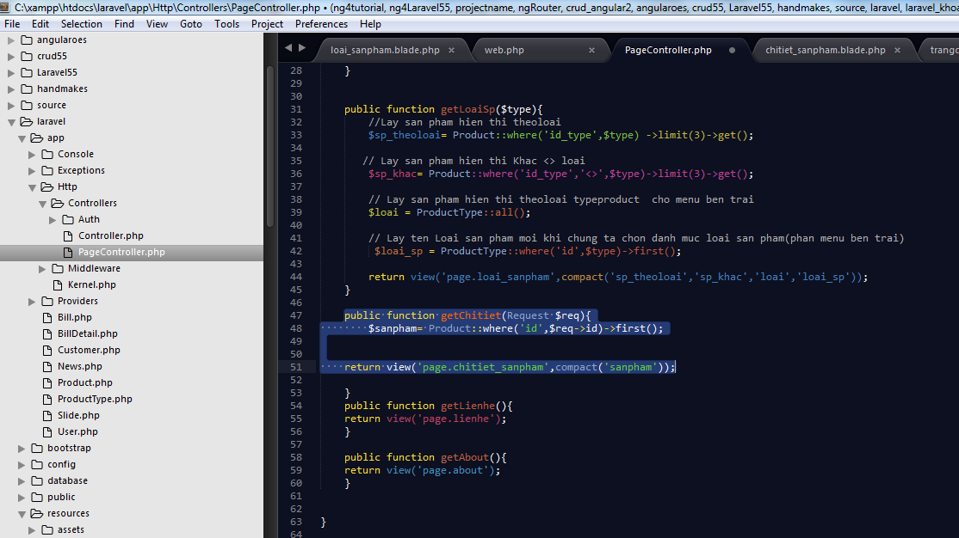

Cach lam nay tuong tu nhu getLoaiSP($type)

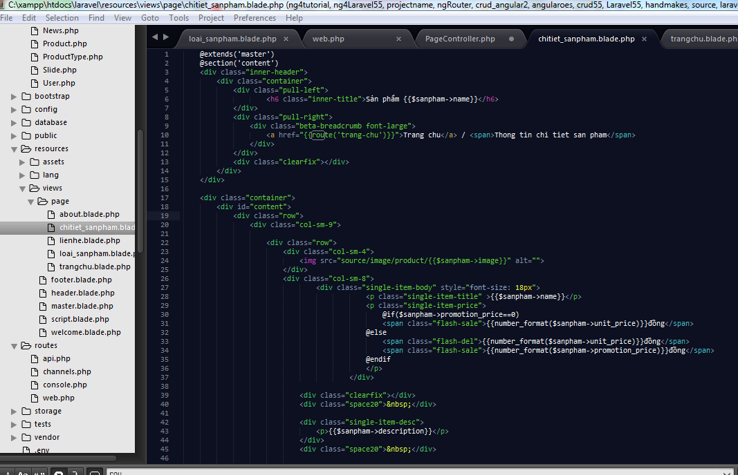
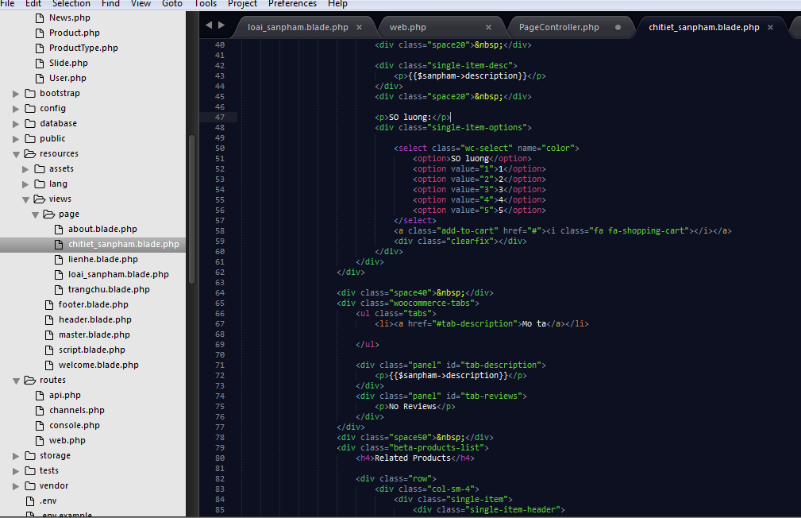

Hien thi ten sp

Tao link, kich vao hinh anh, no chuyen den trang chitiet san pham

CHo hien thi giong bai truoc,
CHung ta kg dung vong lap, vi chi hienthi 1 san pham chi tiet

CHo hien thi description

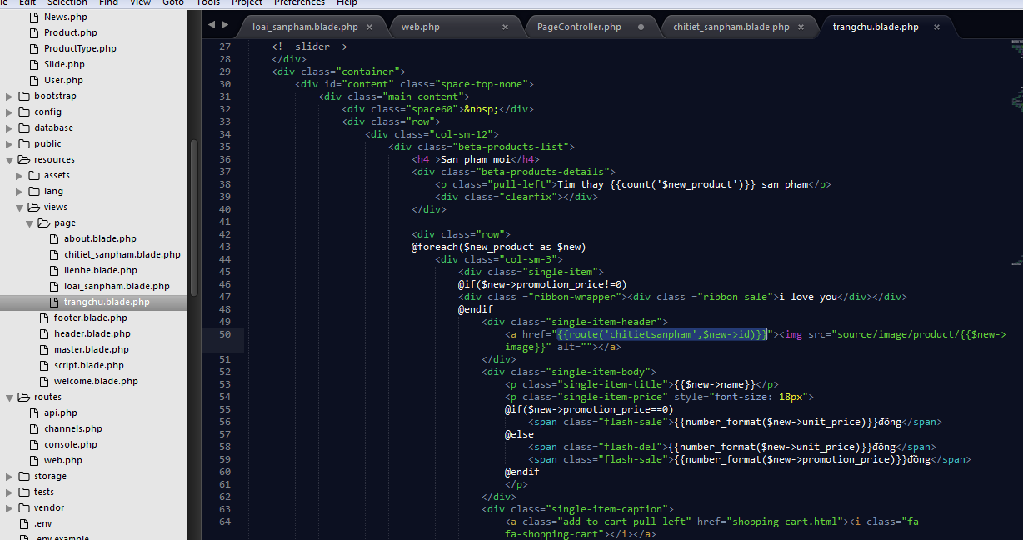

Khi tro den 1 san pham tren trang chu, thi no se chuyen den chi tiet cua san pham do

 | Chung ta tien hanh lam san pham tuong tu ( sanphamlien quan) |  |  |  |  |  |  |  |  |  |  |  |  |  |  |  |  | @extends('master')
 |  |  |  |  |  |  |  |  |  |  |  |  |  |  |  |  |  | @section('content')
 |  | Vaotrong Page controller, tao1 bien ten la sp_tuongtu bien nay nhan cac gia tri tra ve cua cau lenh truy van |  |  |  |  |  |  |  |  |  |  |  |  |  |  |  | <div class="inner-header">
 |  |  |  |  |  |  |  |  |  |  |  |  |  |  |  |  |  |  | <div class="container">
 |  |  | Sau do, truyen bien nay $sp_tuongtu qua view chitiet_sanpham.blade.php |  |  |  |  |  |  |  |  |  |  |  |  |  |  |  |  | <div class="pull-left">
 |  |  |  |  |  |  |  |  |  |  |  |  |  |  |  |  |  |  |  |  |  | <h6 class="inner-title">Sản phẩm {{$sanpham->name}}</h6>
 |  |  |  |  |  |  |  |  |  |  |  |  |  |  |  |  |  |  |  | </div>
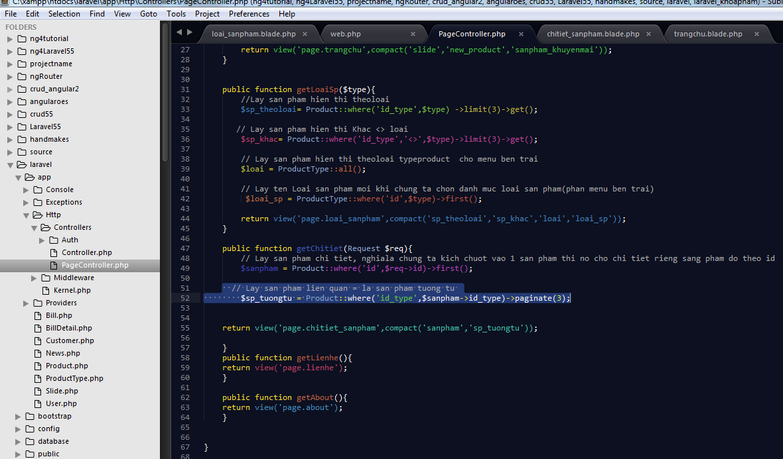
 |  |  |  |  |  |  |  |  |  |  |  |  |  |  |  |  |  |  |  | <div class="pull-right">
 |  |  |  |  |  |  |  |  |  |  |  |  |  |  |  |  |  |  |  |  | <div class="beta-breadcrumb font-large">
 |  |  |  |  |  |  |  |  |  |  |  |  |  |  |  |  |  |  |  |  |  | <a href="{{route('trang-chu')}}">Trang chu</a> / <span>Thong tin chi tiet san pham</span>
 |  |  |  |  |  |  |  |  |  |  |  |  |  |  |  |  |  |  |  |  | </div>
 |  |  |  |  |  |  |  |  |  |  |  |  |  |  |  |  |  |  |  | </div>
 |  |  |  |  |  |  |  |  |  |  |  |  |  |  |  |  |  |  |  | <div class="clearfix"></div>
 |  |  |  |  |  |  |  |  |  |  |  |  |  |  |  |  |  |  | </div>
 |  |  |  |  |  |  |  |  |  |  |  |  |  |  |  |  |  | </div>

 |  |  |  |  |  |  |  |  |  |  |  |  |  |  |  |  |  | <div class="container">
 |  |  |  |  |  |  |  |  |  |  |  |  |  |  |  |  |  |  | <div id="content">
 |  |  |  |  |  |  |  |  |  |  |  |  |  |  |  |  |  |  |  | <div class="row">
 |  |  |  |  |  |  |  |  |  |  |  |  |  |  |  |  |  |  |  |  | <div class="col-sm-9">

 |  |  |  |  |  |  |  |  |  |  |  |  |  |  |  |  |  |  |  |  |  | <div class="row">
 |  |  |  |  |  |  |  |  |  |  |  |  |  |  |  |  |  |  |  |  |  |  | <div class="col-sm-4">
 |  |  |  |  |  |  |  |  |  |  |  |  |  |  |  |  |  |  |  |  |  |  |  | <img src="source/image/product/{{$sanpham->image}}" alt="" height="140px">
 |  |  |  |  |  |  |  |  |  |  |  |  |  |  |  |  |  |  |  |  |  |  | </div>
 |  |  |  |  |  |  |  |  |  |  |  |  |  |  |  |  |  |  |  |  |  |  | <div class="col-sm-8">
 |  |  |  |  |  |  |  |  |  |  |  |  |  |  |  |  |  |  |  |  |  |  |  |  | <div class="single-item-body" style="font-size: 18px">
 |  |  |  |  |  |  |  |  |  |  |  |  |  |  |  |  |  |  |  |  |  |  |  |  |  |  |  | <p class="single-item-title" ><h5>{{$sanpham->name}}</h5></p>
 |  |  |  |  |  |  |  |  |  |  |  |  |  |  |  |  |  |  |  |  |  |  |  |  |  |  |  | <p class="single-item-price">
 |  |  |  |  |  |  |  |  |  |  |  |  |  |  |  |  |  |  |  |  |  |  |  |  |  |  |  |  | @if($sanpham->promotion_price==0)
 |  |  |  |  |  |  |  |  |  |  |  |  |  |  |  |  |  |  |  |  |  |  |  |  |  |  |  |  | <span class="flash-sale">{{number_format($sanpham->unit_price)}}đồng</span>
 |  |  |  |  |  |  |  |  |  |  |  |  |  |  |  |  |  |  |  |  |  |  |  |  |  |  |  | @else
 |  |  |  |  |  |  |  |  |  |  |  |  |  |  |  |  |  |  |  |  |  |  |  |  |  |  |  |  | <span class="flash-del">{{number_format($sanpham->unit_price)}}đồng</span>
 |  |  |  |  |  |  |  |  |  |  |  |  |  |  |  |  |  |  |  |  |  |  |  |  |  |  |  |  | <span class="flash-sale">{{number_format($sanpham->promotion_price)}}đồng</span>
 |  |  |  |  |  |  |  |  |  |  |  |  |  |  |  |  |  |  |  |  |  |  |  |  |  |  |  | @endif
 |  |  |  |  |  |  |  |  |  |  |  |  |  |  |  |  |  |  |  |  |  |  |  |  |  |  |  | </p>
 |  |  |  |  |  |  |  |  |  |  |  |  |  |  |  |  |  |  |  |  |  |  |  |  |  |  | </div>

 |  |  |  |  |  |  |  |  |  |  |  |  |  |  |  |  |  |  |  |  |  |  |  | <div class="clearfix"></div>
 |  |  |  |  |  |  |  |  |  |  |  |  |  |  |  |  |  |  |  |  |  |  |  | <div class="space20">&nbsp;</div>

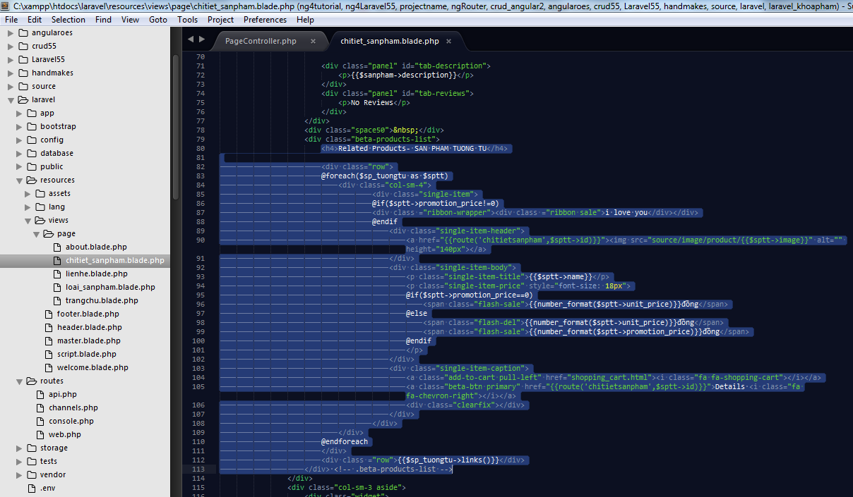
 |  |  |  |  |  |  |  |  |  |  |  |  |  |  |  |  |  |  |  |  |  |  |  | <div class="single-item-desc">
 |  |  |  |  |  |  |  |  |  |  |  |  |  |  |  |  |  |  |  |  |  |  |  |  | <p>{{$sanpham->description}}</p>
 |  |  |  |  |  |  |  |  |  |  |  |  |  |  |  |  |  |  |  |  |  |  |  | </div>
 |  |  |  |  |  |  |  |  |  |  |  |  |  |  |  |  |  |  |  |  |  |  |  | <div class="space20">&nbsp;</div>

 |  |  |  |  |  |  |  |  |  |  |  |  |  |  |  |  |  |  |  |  |  |  |  | <p>SO luong:</p>
 |  |  |  |  |  |  |  |  |  |  |  |  |  |  |  |  |  |  |  |  |  |  |  | <div class="single-item-options">

 |  |  |  |  |  |  |  |  |  |  |  |  |  |  |  |  |  |  |  |  |  |  |  |  | <select class="wc-select" name="color">
 |  |  |  |  |  |  |  |  |  |  |  |  |  |  |  |  |  |  |  |  |  |  |  |  |  | <option>SO luong</option>
 |  |  |  |  |  |  |  |  |  |  |  |  |  |  |  |  |  |  |  |  |  |  |  |  |  | <option value="1">1</option>
 |  |  |  |  |  |  |  |  |  |  |  |  |  |  |  |  |  |  |  |  |  |  |  |  |  | <option value="2">2</option>
 |  |  |  |  |  |  |  |  |  |  |  |  |  |  |  |  |  |  |  |  |  |  |  |  |  | <option value="3">3</option>
 |  |  |  |  |  |  |  |  |  |  |  |  |  |  |  |  |  |  |  |  |  |  |  |  |  | <option value="4">4</option>
 |  |  |  |  |  |  |  |  |  |  |  |  |  |  |  |  |  |  |  |  |  |  |  |  |  | <option value="5">5</option>
 |  |  |  |  |  |  |  |  |  |  |  |  |  |  |  |  |  |  |  |  |  |  |  |  | </select>
 |  |  |  |  |  |  |  |  |  |  |  |  |  |  |  |  |  |  |  |  |  |  |  |  | <a class="add-to-cart" href="#"><i class="fa fa-shopping-cart"></i></a>
 |  |  |  |  |  |  |  |  |  |  |  |  |  |  |  |  |  |  |  |  |  |  |  |  | <div class="clearfix"></div>
 |  |  |  |  |  |  |  |  |  |  |  |  |  |  |  |  |  |  |  |  |  |  |  | </div>
 |  |  |  |  |  |  |  |  |  |  |  |  |  |  |  |  |  |  |  |  |  |  | </div>
 |  |  |  |  |  |  |  |  |  |  |  |  |  |  |  |  |  |  |  |  |  | </div>

 |  |  |  |  |  |  |  |  |  |  |  |  |  |  |  |  |  |  |  |  |  | <div class="space40">&nbsp;</div>
 |  |  |  |  |  |  |  |  |  |  |  |  |  |  |  |  |  |  |  |  |  | <div class="woocommerce-tabs">
 |  |  |  |  |  |  |  |  |  |  |  |  |  |  |  |  |  |  |  |  |  |  | <ul class="tabs">
 |  |  |  |  |  |  |  |  |  |  |  |  |  |  |  |  |  |  |  |  |  |  |  | <li><a href="#tab-description">Mo ta</a></li>

 |  |  |  |  |  |  |  |  |  |  |  |  |  |  |  |  |  |  |  |  |  |  | </ul>

 |  |  |  |  |  |  |  |  |  |  |  |  |  |  |  |  |  |  |  |  |  |  | <div class="panel" id="tab-description">
 |  |  |  |  |  |  |  |  |  |  |  |  |  |  |  |  |  |  |  |  |  |  |  | <p>{{$sanpham->description}}</p>
 |  |  |  |  |  |  |  |  |  |  |  |  |  |  |  |  |  |  |  |  |  |  | </div>
 |  |  |  |  |  |  |  |  |  |  |  |  |  |  |  |  |  |  |  |  |  |  | <div class="panel" id="tab-reviews">
 |  |  |  |  |  |  |  |  |  |  |  |  |  |  |  |  |  |  |  |  |  |  |  | <p>No Reviews</p>
 |  |  |  |  |  |  |  |  |  |  |  |  |  |  |  |  |  |  |  |  |  |  | </div>
 |  |  |  |  |  |  |  |  |  |  |  |  |  |  |  |  |  |  |  |  |  | </div>
 |  |  |  |  |  |  |  |  |  |  |  |  |  |  |  |  |  |  |  |  |  | <div class="space50">&nbsp;</div>
 |  |  |  |  |  |  |  |  |  |  |  |  |  |  |  |  |  |  |  |  |  | <div class="beta-products-list">
 |  |  |  |  |  |  |  |  |  |  |  |  |  |  |  |  |  |  |  |  |  |  | <h4>Related Products- SAN PHAM TUONG TU</h4>
 |  |  |  |  |  |  |  |  |  |  |  |  |  |  | chitiet_sanpham.blade.php
 |  |  |  |  |  |  |  |  |  |  |  |  |  |  |  |  |  |  |  |  |  |  | <div class="row">
 | Chung ta tien hanh lam san pham BAN CHAY-BEST SELLERS ( BEST SELLERS) |  |  |  |  |  |  |  |  |  |  |  |  |  | @extends('master')
 |  |  |  |  |  |  |  |  |  |  |  |  |  |  | @section('content')
 |  | Vaotrong Page controller, tao1 bien ten la sp_tuongtu bien nay nhan cac gia tri tra ve cua cau lenh truy van |  |  |  |  |  |  |  |  |  |  |  |  | <div class="inner-header">
 |  |  |  |  |  |  |  |  |  |  |  |  |  |  |  | <div class="container">
 |  |  | Sau do, truyen bien nay $sp_tuongtu qua view chitiet_sanpham.blade.php |  |  |  |  |  |  |  |  |  |  |  |  |  | <div class="pull-left">
 |  |  |  |  |  |  |  |  |  |  |  |  |  |  |  |  |  |  |  |  |  |  |  |  |  | @endif
Trang page controller |  |  |  |  |  |  |  |  |  |  |  |  |  |  | <?php |  |  |  |  |  |  |  |  |  |  |  | <div class="single-item-header">
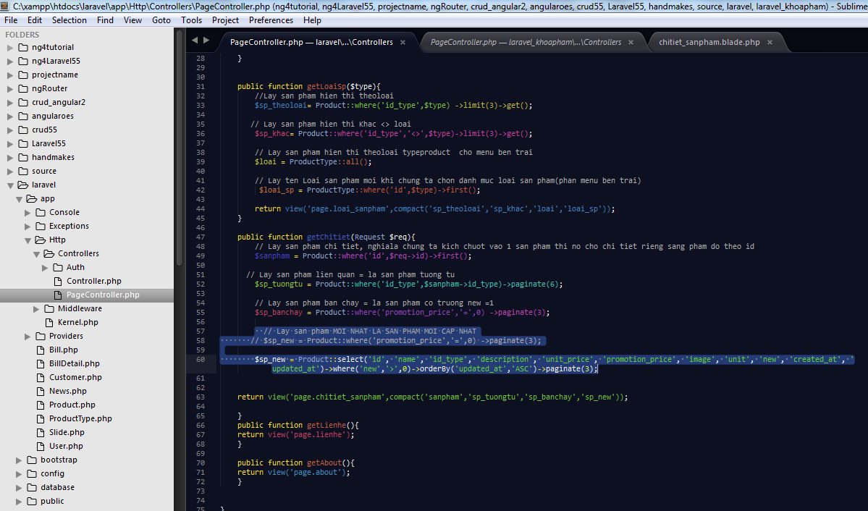
 |  |  |  |  |  |  |  |  |  |  |  |  |  |  |  |  |  |  |  |  |  |  |  |  |  |  |  | <a href="{{route('chitietsanpham',$sptt->id)}}"><img src="source/image/product/{{$sptt->image}}" alt="" height="140px"></a>
 |  |  |  |  |  |  |  |  |  |  |  |  |  |  | namespace App\Http\Controllers; |  |  |  |  |  |  |  |  |  |  |  | </div>
 |  |  |  |  |  |  |  |  |  |  |  |  |  |  | use App\Slide; |  |  |  |  |  |  |  |  |  |  |  | <div class="single-item-body">
 |  |  |  |  |  |  |  |  |  |  |  |  |  |  | use App\Product; |  |  |  |  |  |  |  |  |  |  |  |  | <p class="single-item-title">{{$sptt->name}}</p>
 |  |  |  |  |  |  |  |  |  |  |  |  |  |  | use App\ProductType; |  |  |  |  |  |  |  |  |  |  |  |  | <p class="single-item-price" style="font-size: 18px">
 |  |  |  |  |  |  |  |  |  |  |  |  |  |  |  |  |  |  |  |  |  |  |  |  |  |  |  | @if($sptt->promotion_price==0)
 |  |  |  |  |  |  |  |  |  |  |  |  |  |  | use Illuminate\Http\Request; |  |  |  |  |  |  |  |  |  |  |  |  |  | <span class="flash-sale">{{number_format($sptt->unit_price)}}đồng</span>
 |  |  |  |  |  |  |  |  |  |  |  |  |  |  |  |  |  |  |  |  |  |  |  |  |  |  |  | @else
 |  |  |  |  |  |  |  |  |  |  |  |  |  |  | class PageController extends Controller |  |  |  |  |  |  |  |  |  |  |  |  |  | <span class="flash-del">{{number_format($sptt->unit_price)}}đồng</span>
 |  |  |  |  |  |  |  |  |  |  |  |  |  |  | { |  |  |  |  |  |  |  |  |  |  |  |  |  | <span class="flash-sale">{{number_format($sptt->promotion_price)}}đồng</span>
 |  |  |  |  |  |  |  |  |  |  |  |  |  |  | public function getIndex(){ |  |  |  |  |  |  |  |  |  |  |  |  | @endif
 |  |  |  |  |  |  |  |  |  |  |  |  |  |  |  | // Lay thong tin co trong bang slide |  |  |  |  |  |  |  |  |  |  |  | </p>
 |  |  |  |  |  |  |  |  |  |  |  |  |  |  | $slide =Slide::all(); |  |  |  |  |  |  |  |  |  |  |  | </div>
 |  |  |  |  |  |  |  |  |  |  |  |  |  |  |  | //return view('page.trangchu',['slide'=>$slide]); |  |  |  |  |  |  |  |  |  |  | <div class="single-item-caption">
 |  |  |  |  |  |  |  |  |  |  |  |  |  |  |  |  |  |  |  |  |  |  |  |  |  |  |  | <a class="add-to-cart pull-left" href="shopping_cart.html"><i class="fa fa-shopping-cart"></i></a>
 |  |  |  |  |  |  |  |  |  |  |  |  |  |  | // Lay san pham hien thi cho san pham moinhat |  |  |  |  |  |  |  |  |  |  |  |  | <a class="beta-btn primary" href="{{route('chitietsanpham',$sptt->id)}}">Details <i class="fa fa-chevron-right"></i></a>
 |  |  |  |  |  |  |  |  |  |  |  |  |  |  | $new_product = Product::where('new',1)->paginate(8); |  |  |  |  |  |  |  |  |  |  |  |  | <div class="clearfix"></div>
 |  |  |  |  |  |  |  |  |  |  |  |  |  |  |  |  |  |  |  |  |  |  |  |  |  |  | </div>
 |  |  |  |  |  |  |  |  |  |  |  |  |  |  |  |  |  |  |  |  |  |  |  |  |  | </div>
 |  |  |  |  |  |  |  |  |  |  |  |  |  |  | // Lay san pham hien thi khuyen mai |  |  |  |  |  |  |  |  | </div>
 |  |  |  |  |  |  |  |  |  |  |  |  |  |  |  |  |  |  |  |  |  |  | @endforeach
 |  |  |  |  |  |  |  |  |  |  |  |  |  |  | //$sanpham_khuyenmai = Product::where('promotion_price','<>',0) ->limit(4) ->orderBy('promotion_price')->get(); |  |  |  |  |  |  |  | </div>
 |  |  |  |  |  |  |  |  |  |  |  |  |  |  | $sanpham_khuyenmai = Product::where('promotion_price','<>',0) ->orderBy('promotion_price') ->paginate(4); |  |  |  |  |  |  |  | <div class ="row">{{$sp_tuongtu->links()}}</div>
 |  |  |  |  |  |  |  |  |  |  |  |  |  |  | //dd($new_product); |  |  |  |  |  |  | </div> <!-- .beta-products-list -->
 |  |  |  |  |  |  |  |  |  |  |  |  |  |  |  |  |  |  |  |  | </div>
 |  |  |  |  |  |  |  |  |  |  |  |  |  |  |  | return view('page.trangchu',compact('slide','new_product','sanpham_khuyenmai')); |  |  |  |  | <div class="col-sm-3 aside">
 |  |  |  |  |  |  |  |  |  |  |  |  |  |  | } |  |  |  |  |  |  | <div class="widget">
 |  |  |  |  |  |  |  |  |  |  |  |  |  |  |  |  |  |  |  |  |  |  | <h3 class="widget-title">Best Sellers- SAN PHAM BAN CHAY NHAT</h3>
 |  |  |  |  |  |  |  |  |  |  |  |  |  |  |  |  |  |  |  |  |  |  | <div class="widget-body">
 |  |  |  |  |  |  |  |  |  |  |  |  |  |  | public function getLoaiSp($type){ |  |  |  |  |  |  |  |  | <div class="beta-sales beta-lists">
 |  |  |  |  |  |  |  |  |  |  |  |  |  |  | //Lay san pham hien thi theoloai |  |  |  |  |  |  |  |  |  | <div class="media beta-sales-item">
 |  |  |  |  |  |  |  |  |  |  |  |  |  |  | $sp_theoloai= Product::where('id_type',$type) ->limit(3)->get(); |  |  |  |  |  |  |  |  |  |  | <a class="pull-left" href="product.html"><img src="source/assets/dest/images/products/sales/1.png" alt=""></a>
 |  |  |  |  |  |  |  |  |  |  |  |  |  |  |  |  |  |  |  |  |  |  |  |  |  | <div class="media-body">
 |  |  |  |  |  |  |  |  |  |  |  |  |  |  | // Lay san pham hien thi Khac <> loai |  |  |  |  |  |  |  |  |  |  |  | Sample Woman Top
 |  |  |  |  |  |  |  |  |  |  |  |  |  |  | $sp_khac= Product::where('id_type','<>',$type)->limit(3)->get(); |  |  |  |  |  |  |  |  |  |  |  | <span class="beta-sales-price">$34.55</span>
 |  |  |  |  |  |  |  |  |  |  |  |  |  |  |  |  |  |  |  |  |  |  |  |  |  | </div>
 |  |  |  |  |  |  |  |  |  |  |  |  |  |  | // Lay san pham hien thi theoloai typeproduct cho menu ben trai |  |  |  |  |  |  |  |  |  | </div>
 |  |  |  |  |  |  |  |  |  |  |  |  |  |  | $loai = ProductType::all(); |  |  |  |  |  |  |  |  |  | <div class="media beta-sales-item">
 |  |  |  |  |  |  |  |  |  |  |  |  |  |  |  |  |  |  |  |  |  |  |  |  |  | <a class="pull-left" href="product.html"><img src="source/assets/dest/images/products/sales/2.png" alt=""></a>
 |  |  |  |  |  |  |  |  |  |  |  |  |  |  | // Lay ten Loai san pham moi khi chung ta chon danh muc loai san pham(phan menu ben trai) |  |  |  |  |  |  |  |  |  |  | <div class="media-body">
 |  |  |  |  |  |  |  |  |  |  |  |  |  |  | $loai_sp = ProductType::where('id',$type)->first(); |  |  |  |  |  |  |  |  |  |  |  | Sample Woman Top
 |  |  |  |  |  |  |  |  |  |  |  |  |  |  |  |  |  |  |  |  |  |  |  |  |  |  | <span class="beta-sales-price">$34.55</span>
 |  |  |  |  |  |  |  |  |  |  |  |  |  |  |  | return view('page.loai_sanpham',compact('sp_theoloai','sp_khac','loai','loai_sp')); |  |  |  |  |  |  |  |  |  | </div>
 |  |  |  |  |  |  |  |  |  |  |  |  |  |  | } |  |  |  |  |  |  |  |  |  | </div>
 |  |  |  |  |  |  |  |  |  |  |  |  |  |  |  |  |  |  |  |  |  |  |  |  | <div class="media beta-sales-item">
 |  |  |  |  |  |  |  |  |  |  |  |  |  |  | public function getChitiet(Request $req){ |  |  |  |  |  |  |  |  |  |  | <a class="pull-left" href="product.html"><img src="source/assets/dest/images/products/sales/3.png" alt=""></a>
 |  |  |  |  |  |  |  |  |  |  |  |  |  |  | // Lay san pham chi tiet, nghiala chung ta kich chuot vao 1 san pham thi no cho chi tiet rieng sang pham do theo id |  |  |  |  |  |  |  |  |  |  | <div class="media-body">
 |  |  |  |  |  |  |  |  |  |  |  |  |  |  | $sanpham = Product::where('id',$req->id)->first(); |  |  |  |  |  |  |  |  |  |  |  | Sample Woman Top
 |  |  |  |  |  |  |  |  |  |  |  |  |  |  |  |  |  |  |  |  |  |  |  |  |  |  | <span class="beta-sales-price">$34.55</span>
 |  |  |  |  |  |  |  |  |  |  |  |  |  |  | // Lay san pham lien quan = la san pham tuong tu |  |  |  |  |  |  |  |  |  |  | </div>
 |  |  |  |  |  |  |  |  |  |  |  |  |  |  | $sp_tuongtu = Product::where('id_type',$sanpham->id_type)->paginate(6); |  |  |  |  |  |  |  |  |  | </div>
 |  |  |  |  |  |  |  |  |  |  |  |  |  |  |  |  |  |  |  |  |  |  |  |  | <div class="media beta-sales-item">
 |  |  |  |  |  |  |  |  |  |  |  |  |  |  | // Lay san pham ban chay = la san pham co truong new =1 |  |  |  |  |  |  |  |  |  |  | <a class="pull-left" href="product.html"><img src="source/assets/dest/images/products/sales/4.png" alt=""></a>
 |  |  |  |  |  |  |  |  |  |  |  |  |  |  | $sp_banchay = Product::where('promotion_price','=',0) ->paginate(3); |  |  |  |  |  |  |  |  |  |  | <div class="media-body">
 |  |  |  |  |  |  |  |  |  |  |  |  |  |  |  |  |  |  |  |  |  |  |  |  |  |  | Sample Woman Top
 |  |  |  |  |  |  |  |  |  |  |  |  |  |  | // Lay san pham MOI NHAT LA SAN PHAM MOI CAP NHAT |  |  |  |  |  |  |  |  |  |  |  | <span class="beta-sales-price">$34.55</span>
 |  |  |  |  |  |  |  |  |  |  |  |  |  |  | // $sp_new = Product::where('promotion_price','=',0) ->paginate(3); |  |  |  |  |  |  |  |  |  |  | </div>
 |  |  |  |  |  |  |  |  |  |  |  |  |  |  |  |  |  |  |  |  |  |  |  |  | </div>
 |  |  |  |  |  |  |  |  |  |  |  |  |  |  | $sp_new = Product::select('id', 'name', 'id_type', 'description', 'unit_price', 'promotion_price', 'image', 'unit', 'new', 'created_at', 'updated_at')->where('new','>',0)->orderBy('updated_at','ASC')->paginate(3); |  |  |  |  |  |  |  |  | </div>
 |  |  |  |  |  |  |  |  |  |  |  |  |  |  |  |  |  |  |  |  |  |  | </div>
 |  |  |  |  |  |  |  |  |  |  |  |  |  |  |  |  |  |  |  |  |  | </div> <!-- best sellers widget -->
 |  |  |  |  |  |  |  |  |  |  |  |  |  |  | return view('page.chitiet_sanpham',compact('sanpham','sp_tuongtu','sp_banchay','sp_new')); |  |  |  |  |  |  | <div class="widget">
 |  |  |  |  |  |  |  |  |  |  |  |  |  |  |  |  |  |  |  |  |  |  | <h3 class="widget-title">New Products</h3>
 |  |  |  |  |  |  |  |  |  |  |  |  |  |  | } |  |  |  |  |  |  |  | <div class="widget-body">
 |  |  |  |  |  |  |  |  |  |  |  |  |  |  | public function getLienhe(){ |  |  |  |  |  |  |  |  | <div class="beta-sales beta-lists">
 |  |  |  |  |  |  |  |  |  |  |  |  |  |  | return view('page.lienhe'); |  |  |  |  |  |  |  |  |  | <div class="media beta-sales-item">
 |  |  |  |  |  |  |  |  |  |  |  |  |  |  | } |  |  |  |  |  |  |  |  |  |  | <a class="pull-left" href="product.html"><img src="source/assets/dest/images/products/sales/1.png" alt=""></a>
 |  |  |  |  |  |  |  |  |  |  |  |  |  |  |  |  |  |  |  |  |  |  |  |  |  | <div class="media-body">
 |  |  |  |  |  |  |  |  |  |  |  |  |  |  | public function getAbout(){ |  |  |  |  |  |  |  |  |  |  |  | Sample Woman Top
 |  |  |  |  |  |  |  |  |  |  |  |  |  |  | return view('page.about'); |  |  |  |  |  |  |  |  |  |  |  | <span class="beta-sales-price">$34.55</span>
 |  |  |  |  |  |  |  |  |  |  |  |  |  |  | } |  |  |  |  |  |  |  |  |  |  | </div>
 |  |  |  |  |  |  |  |  |  |  |  |  |  |  |  |  |  |  |  |  |  |  |  |  | </div>
 |  |  |  |  |  |  |  |  |  |  |  |  |  |  |  |  |  |  |  |  |  |  |  |  | <div class="media beta-sales-item">
 |  |  |  |  |  |  |  |  |  |  |  |  |  |  | } |  |  |  |  |  |  |  |  |  |  | <a class="pull-left" href="product.html"><img src="source/assets/dest/images/products/sales/2.png" alt=""></a>
 |  |  |  |  |  |  |  |  |  |  |  |  |  |  |  |  |  |  |  |  |  |  |  |  |  | <div class="media-body">
 |  |  |  |  |  |  |  |  |  |  |  |  |  |  |  |  |  |  |  |  |  |  |  |  |  |  | Sample Woman Top
 |  |  |  | trangchu.blade.php |  |  |  |  |  |  |  |  |  |  |  |  |  |  |  |  |  |  |  |  |  |  | <span class="beta-sales-price">$34.55</span>
 |  |  |  |  |  |  |  |  |  |  |  |  |  |  |  |  |  |  |  |  |  |  |  |  |  | </div>
 |  |  |  |  | @extends('master') |  |  |  |  |  |  |  |  |  |  |  |  |  |  |  |  |  |  |  | </div>
 |  |  |  |  | @section('content') |  |  |  |  |  |  |  |  |  |  |  |  |  |  |  |  |  |  |  | <div class="media beta-sales-item">
 |  |  |  |  |  |  |  |  |  |  |  |  |  |  |  |  |  |  |  |  |  |  |  |  |  | <a class="pull-left" href="product.html"><img src="source/assets/dest/images/products/sales/3.png" alt=""></a>
 |  |  |  |  | <div class="rev-slider"> |  |  |  |  |  |  |  |  |  |  |  |  |  |  |  |  |  |  |  |  | <div class="media-body">
 |  |  |  |  | <div class="fullwidthbanner-container"> |  |  |  |  |  |  |  |  |  |  |  |  |  |  |  |  |  |  |  |  |  | Sample Woman Top
 |  |  |  |  |  | <div class="fullwidthbanner"> |  |  |  |  |  |  |  |  |  |  |  |  |  |  |  |  |  |  |  |  | <span class="beta-sales-price">$34.55</span>
 |  |  |  |  |  |  | <div class="bannercontainer" > |  |  |  |  |  |  |  |  |  |  |  |  |  |  |  |  |  |  | </div>
 |  |  |  |  |  | <div class="banner" > |  |  |  |  |  |  |  |  |  |  |  |  |  |  |  |  |  |  | </div>
 |  |  |  |  |  |  |  | <ul> |  |  |  |  |  |  |  |  |  |  |  |  |  |  |  |  | <div class="media beta-sales-item">
 |  |  |  |  |  |  |  |  |  | <!-- THE FIRST SLIDE --> |  |  |  |  |  |  |  |  |  |  |  |  |  |  |  | <a class="pull-left" href="product.html"><img src="source/assets/dest/images/products/sales/4.png" alt=""></a>
 |  |  |  |  |  |  |  | @foreach($slide as $sl) |  |  |  |  |  |  |  |  |  |  |  |  |  |  |  |  |  | <div class="media-body">
 |  |  |  |  |  |  |  |  | <li data-transition="boxfade" data-slotamount="20" class="active-revslide" style="width: 100%; height: 100%; overflow: hidden; z-index: 18; visibility: hidden; opacity: 0;"> |  |  |  |  |  |  |  |  |  |  |  |  |  |  |  |  |  | Sample Woman Top
 |  |  |  |  |  |  | <div class="slotholder" style="width:100%;height:100%;" data-duration="undefined" data-zoomstart="undefined" data-zoomend="undefined" data-rotationstart="undefined" data-rotationend="undefined" data-ease="undefined" data-bgpositionend="undefined" data-bgposition="undefined" data-kenburns="undefined" data-easeme="undefined" data-bgfit="undefined" data-bgfitend="undefined" data-owidth="undefined" data-oheight="undefined"> |  |  |  |  |  |  |  |  |  |  |  |  |  |  |  |  |  |  |  | <span class="beta-sales-price">$34.55</span>
 |  |  |  |  |  |  |  |  |  |  | <div class="tp-bgimg defaultimg" data-lazyload="undefined" data-bgfit="cover" data-bgposition="center center" data-bgrepeat="no-repeat" data-lazydone="undefined" src="source/image/slide/{{$sl->image}}" data-src="source/image/slide/{{$sl->image}}" style="background-color: rgba(0, 0, 0, 0); background-repeat: no-repeat; background-image: url('source/image/slide/{{$sl->image}}'); background-size: cover; background-position: center center; width: 100%; height: 100%; opacity: 1; visibility: inherit;"> |  |  |  |  |  |  |  |  |  |  |  |  |  |  | </div>
 |  |  |  |  |  |  |  |  |  |  |  |  |  | </div> |  |  |  |  |  |  |  |  |  |  | </div>
 |  |  |  |  |  |  |  |  |  |  | </div> |  |  |  |  |  |  |  |  |  |  |  |  | </div>
 |  |  |  |  |  |  |  |  |  |  |  |  |  |  |  |  |  |  |  |  |  |  | </div>
 |  |  |  |  |  |  | </li> |  |  |  |  |  |  |  |  |  |  |  |  |  |  | </div> <!-- best sellers widget -->
 |  |  |  |  |  |  |  | @endforeach |  |  |  |  |  |  |  |  |  |  |  |  | </div>
 |  |  |  |  |  |  |  |  | </ul> |  |  |  |  |  |  |  |  |  |  | </div>
 |  |  |  |  |  |  |  | </div> |  |  |  |  |  |  |  |  |  |  | </div> <!-- #content -->
 |  |  |  |  |  |  | </div> |  |  |  |  |  |  |  |  |  |  | </div> <!-- .container -->

 |  |  |  |  |  |  | <div class="tp-bannertimer"></div> |  |  |  |  |  |  |  |  |  |  | @endsection
 |  |  |  |  |  | </div>
 |  |  |  |  | </div>
 |  |  |  |  | <!--slider-->
 |  |  |  |  | </div>
 |  |  |  |  | <div class="container">
 |  |  |  |  |  | <div id="content" class="space-top-none">
 |  |  |  |  |  |  | <div class="main-content">
 |  |  |  |  |  |  |  | <div class="space60">&nbsp;</div>
 |  |  |  |  |  |  |  | <div class="row">
 |  |  |  |  |  |  |  |  | <div class="col-sm-12">
 |  |  |  |  |  |  |  |  |  | <div class="beta-products-list">
 |  |  |  |  |  |  |  |  |  |  | <h4 >San pham moi</h4>
 |  |  |  |  |  |  |  |  |  |  | <div class="beta-products-details">
 |  |  |  |  |  |  |  |  |  |  |  | <p class="pull-left">Tim thay {{count('$new_product')}} san pham</p>
 |  |  |  |  |  |  |  |  |  |  |  | <div class="clearfix"></div>
 |  |  |  |  |  |  |  |  |  |  | </div>

 |  |  |  |  |  |  |  |  |  |  | <div class="row">
 |  |  |  |  |  |  |  |  |  |  | @foreach($new_product as $new)
 |  |  |  |  |  |  |  |  |  |  |  | <div class="col-sm-3">
 |  |  |  |  |  |  |  |  |  |  |  |  | <div class="single-item">
 |  |  |  |  |  |  |  |  |  |  |  |  | @if($new->promotion_price!=0)
 |  |  |  |  |  |  |  |  |  |  |  |  | <div class ="ribbon-wrapper"><div class ="ribbon sale">i love you</div></div>
 |  |  |  |  |  |  |  |  |  |  |  |  | @endif
 |  |  |  |  |  |  |  |  |  |  |  |  |  | <div class="single-item-header">
 |  |  |  |  |  |  |  |  |  |  |  |  |  |  | <a href="{{route('chitietsanpham',$new->id)}}"><img src="source/image/product/{{$new->image}}" alt="" height="140px"></a>
 |  |  |  |  |  |  |  |  |  |  |  |  |  | </div>
 |  |  |  |  |  |  |  |  |  |  |  |  |  | <div class="single-item-body">
 |  |  |  |  |  |  |  |  |  |  |  |  |  |  | <p class="single-item-title">{{$new->name}}</p>
 |  |  |  |  |  |  |  |  |  |  |  |  |  |  | <p class="single-item-price" style="font-size: 18px">
 |  |  |  |  |  |  |  |  |  |  |  |  |  |  | @if($new->promotion_price==0)
 |  |  |  |  |  |  |  |  |  |  |  |  |  |  |  | <span class="flash-sale">{{number_format($new->unit_price)}}đồng</span>
 |  |  |  |  |  |  |  |  |  |  |  |  |  |  | @else
 |  |  |  |  |  |  |  |  |  |  |  |  |  |  |  | <span class="flash-del">{{number_format($new->unit_price)}}đồng</span>
 |  |  |  |  |  |  |  |  |  |  |  |  |  |  |  | <span class="flash-sale">{{number_format($new->promotion_price)}}đồng</span>
 |  |  |  |  |  |  |  |  |  |  |  |  |  |  | @endif
 |  |  |  |  |  |  |  |  |  |  |  |  |  |  | </p>
 |  |  |  |  |  |  |  |  |  |  |  |  |  | </div>
 |  |  |  |  |  |  |  |  |  |  |  |  |  | <div class="single-item-caption">
 |  |  |  |  |  |  |  |  |  |  |  |  |  |  | <a class="add-to-cart pull-left" href="shopping_cart.html"><i class="fa fa-shopping-cart"></i></a>
 |  |  |  |  |  |  |  |  |  |  |  |  |  |  | <a class="beta-btn primary" href="{{route('chitietsanpham',$new->id)}}">Details <i class="fa fa-chevron-right"></i></a>
 |  |  |  |  |  |  |  |  |  |  |  |  |  |  | <div class="clearfix"></div>
 |  |  |  |  |  |  |  |  |  |  |  |  |  | </div>
 |  |  |  |  |  |  |  |  |  |  |  |  | </div>
 |  |  |  |  |  |  |  |  |  |  |  | </div>
 |  |  |  |  |  |  |  |  |  |  | @endforeach
 |  |  |  |  |  |  |  |  |  |  | </div>
 |  |  |  |  |  |  |  |  |  |  | <div class ="row">{{$new_product->links()}}</div>

 |  |  |  |  |  |  |  |  |  | </div> <!-- .beta-products-list -->

 |  |  |  |  |  |  |  |  |  | <div class="beta-products-list">
 |  |  |  |  |  |  |  |  |  |  | <h4>Top Products- San pham khuyen mai</h4>
 |  |  |  |  |  |  |  |  |  |  | <div class="beta-products-details">
 |  |  |  |  |  |  |  |  |  |  |  | <p class="pull-left">Tim thay {{count('$sanpham_khuyenmai')}} san pham</p>
 |  |  |  |  |  |  |  |  |  |  |  | <div class="clearfix"></div>
 |  |  |  |  |  |  |  |  |  |  | </div>
 |  |  |  |  |  |  |  |  |  |  | <div class="row">
 |  |  |  |  |  |  |  |  |  |  | @foreach($sanpham_khuyenmai as $spkm)
 |  |  |  |  |  |  |  |  |  |  |  | <div class="col-sm-3">
 |  |  |  |  |  |  |  |  |  |  |  |  | <div class="single-item">
 |  |  |  |  |  |  |  |  |  |  |  |  |  | <div class="single-item-header">
 |  |  |  |  |  |  |  |  |  |  |  |  |  |  | <a href="{{route('chitietsanpham',$spkm->id)}}"><img src="source/image/product/{{$spkm->image}}" alt="" height="140px"></a>
 |  |  |  |  |  |  |  |  |  |  |  |  |  | </div>
 |  |  |  |  |  |  |  |  |  |  |  |  |  | <div class="single-item-body">
 |  |  |  |  |  |  |  |  |  |  |  |  |  |  | <p class="single-item-title">{{$spkm->name}}</p>
 |  |  |  |  |  |  |  |  |  |  |  |  |  |  | <p class="single-item-price" style="font-size: 18px">
 |  |  |  |  |  |  |  |  |  |  |  |  |  |  |  | <span class="flash-del">{{number_format($spkm->unit_price)}}đồng</span>
 |  |  |  |  |  |  |  |  |  |  |  |  |  |  |  | <span class="flash-sale">{{number_format($spkm->promotion_price)}}đồng</span>

 |  |  |  |  |  |  |  |  |  |  |  |  |  |  | </p>
 |  |  |  |  |  |  |  |  |  |  |  |  |  | </div>
 |  |  |  |  |  |  |  |  |  |  |  |  |  | <div class="single-item-caption">
 |  |  |  |  |  |  |  |  |  |  |  |  |  |  | <a class="add-to-cart pull-left" href="shopping_cart.html"><i class="fa fa-shopping-cart"></i></a>
 |  |  |  |  |  |  |  |  |  |  |  |  |  |  | <a class="beta-btn primary" href="{{route('chitietsanpham',$spkm->id)}}">Details <i class="fa fa-chevron-right"></i></a>
 |  |  |  |  |  |  |  |  |  |  |  |  |  |  | <div class="clearfix"></div>
 |  |  |  |  |  |  |  |  |  |  |  |  |  | </div>
 |  |  |  |  |  |  |  |  |  |  |  |  | </div>
 |  |  |  |  |  |  |  |  |  |  |  | </div>
 |  |  |  |  |  |  |  |  |  |  | @endforeach
 |  |  |  |  |  |  |  |  |  |  | </div>

 |  |  |  |  |  |  |  |  |  |  | <div class ="row">{{$sanpham_khuyenmai->links()}}</div>
 |  |  |  |  |  |  |  |  |  | </div> <!-- .beta-products-list -->
 |  |  |  |  |  |  |  |  | </div>
 |  |  |  |  |  |  |  | </div> <!-- end section with sidebar and main content -->

 |  |  |  |  |  |  | </div> <!-- .main-content -->
 |  |  |  |  |  | </div> <!-- #content -->
 |  |  |  |  | @endsection

 |  |  |  | loai_sanpham.blade.php

 |  |  |  |  | @extends('master')
 |  |  |  |  | @section('content')
 |  |  |  |  | <div class="inner-header">
 |  |  |  |  |  | <div class="container">
 |  |  |  |  |  |  | <div class="pull-left">
 |  |  |  |  |  |  |  | <h6 class="inner-title">Sản phẩm {{$loai_sp->name}}</h6>
 |  |  |  |  |  |  | </div>
 |  |  |  |  |  |  | <div class="pull-right">
 |  |  |  |  |  |  |  | <div class="beta-breadcrumb font-large">
 |  |  |  |  |  |  |  |  | <a href="{{route('trang-chu')}}">Home</a> / <span>Loai sản phẩm</span>
 |  |  |  |  |  |  |  | </div>
 |  |  |  |  |  |  | </div>
 |  |  |  |  |  |  | <div class="clearfix"></div>
 |  |  |  |  |  | </div>
 |  |  |  |  | </div>
 |  |  |  |  | <div class="container">
 |  |  |  |  |  | <div id="content" class="space-top-none">
 |  |  |  |  |  |  | <div class="main-content">
 |  |  |  |  |  |  |  | <div class="space60">&nbsp;</div>
 |  |  |  |  |  |  |  | <div class="row">
 |  |  |  |  |  |  |  |  | <div class="col-sm-3">
 |  |  |  |  |  |  |  |  |  | <ul class="aside-menu">
 |  |  |  |  |  |  |  |  |  | @foreach($loai as $l)
 |  |  |  |  |  |  |  |  |  |  | <li><a href="{{route('loaisanpham',$l->id)}}">{{$l->name}}</a></li>
 |  |  |  |  |  |  |  |  |  | @endforeach
 |  |  |  |  |  |  |  |  |  | </ul>
 |  |  |  |  |  |  |  |  | </div>
 |  |  |  |  |  |  |  |  | <div class="col-sm-9">
 |  |  |  |  |  |  |  |  |  | <div class="beta-products-list">
 |  |  |  |  |  |  |  |  |  |  | <h4>New Products</h4>
 |  |  |  |  |  |  |  |  |  |  | <div class="beta-products-details">
 |  |  |  |  |  |  |  |  |  |  |  | <p class="pull-left">Tim thay {{count('$sp_theoloai')}} san pham</p>
 |  |  |  |  |  |  |  |  |  |  |  | <div class="clearfix"></div>
 |  |  |  |  |  |  |  |  |  |  | </div>

 |  |  |  |  |  |  |  |  |  |  | <div class="row">
 |  |  |  |  |  |  |  |  |  |  | @foreach($sp_theoloai as $sp)
 |  |  |  |  |  |  |  |  |  |  |  | <div class="col-sm-4">
 |  |  |  |  |  |  |  |  |  |  |  |  | <div class="single-item">
 |  |  |  |  |  |  |  |  |  |  |  |  | @if($sp->promotion_price!=0)
 |  |  |  |  |  |  |  |  |  |  |  |  | <div class ="ribbon-wrapper"><div class ="ribbon sale">i love you</div></div>
 |  |  |  |  |  |  |  |  |  |  |  |  | @endif
 |  |  |  |  |  |  |  |  |  |  |  |  |  | <div class="single-item-header">
 |  |  |  |  |  |  |  |  |  |  |  |  |  |  | <a href="{{route('chitietsanpham',$sp->id)}}"><img src="source/image/product/{{$sp->image}}" alt="" height="140px"></a>
 |  |  |  |  |  |  |  |  |  |  |  |  |  | </div>
 |  |  |  |  |  |  |  |  |  |  |  |  |  | <div class="single-item-body" style="font-size: 18px">
 |  |  |  |  |  |  |  |  |  |  |  |  |  |  | <p class="single-item-title" >{{$sp->name}}</p>
 |  |  |  |  |  |  |  |  |  |  |  |  |  |  | <p class="single-item-price">
 |  |  |  |  |  |  |  |  |  |  |  |  |  |  |  | @if($sp->promotion_price==0)
 |  |  |  |  |  |  |  |  |  |  |  |  |  |  |  | <span class="flash-sale">{{number_format($sp->unit_price)}}đồng</span>
 |  |  |  |  |  |  |  |  |  |  |  |  |  |  | @else
 |  |  |  |  |  |  |  |  |  |  |  |  |  |  |  | <span class="flash-del">{{number_format($sp->unit_price)}}đồng</span>
 |  |  |  |  |  |  |  |  |  |  |  |  |  |  |  | <span class="flash-sale">{{number_format($sp->promotion_price)}}đồng</span>
 |  |  |  |  |  |  |  |  |  |  |  |  |  |  | @endif
 |  |  |  |  |  |  |  |  |  |  |  |  |  |  | </p>
 |  |  |  |  |  |  |  |  |  |  |  |  |  | </div>
 |  |  |  |  |  |  |  |  |  |  |  |  |  | <div class="single-item-caption">
 |  |  |  |  |  |  |  |  |  |  |  |  |  |  | <a class="add-to-cart pull-left" href="shopping_cart.html"><i class="fa fa-shopping-cart"></i></a>
 |  |  |  |  |  |  |  |  |  |  |  |  |  |  | <a class="beta-btn primary" href="{{route('chitietsanpham',$sp->id)}}">Details <i class="fa fa-chevron-right"></i></a>
 |  |  |  |  |  |  |  |  |  |  |  |  |  |  | <div class="clearfix"></div>
 |  |  |  |  |  |  |  |  |  |  |  |  |  | </div>
 |  |  |  |  |  |  |  |  |  |  |  |  | </div>
 |  |  |  |  |  |  |  |  |  |  |  | </div>
 |  |  |  |  |  |  |  |  |  |  | @endforeach
 |  |  |  |  |  |  |  |  |  |  | </div>

 |  |  |  |  |  |  |  |  |  | </div> <!-- .beta-products-list -->

 |  |  |  |  |  |  |  |  |  | <div class="space50">&nbsp;</div>

 |  |  |  |  |  |  |  |  |  | <div class="beta-products-list">
 |  |  |  |  |  |  |  |  |  |  | <h4>Top Products- SAN PHAM KHAC</h4>
 |  |  |  |  |  |  |  |  |  |  | <div class="beta-products-details">
 |  |  |  |  |  |  |  |  |  |  |  | <p class="pull-left">Tim thay {{count('$sp_khac')}} san pham</p>
 |  |  |  |  |  |  |  |  |  |  |  | <div class="clearfix"></div>
 |  |  |  |  |  |  |  |  |  |  | </div>
 |  |  |  |  |  |  |  |  |  |  | <div class="row">
 |  |  |  |  |  |  |  |  |  |  | @foreach($sp_khac as $sp_khac)
 |  |  |  |  |  |  |  |  |  |  |  | <div class="col-sm-4">
 |  |  |  |  |  |  |  |  |  |  |  |  | <div class="single-item">
 |  |  |  |  |  |  |  |  |  |  |  |  |  | <div class="single-item-header">
 |  |  |  |  |  |  |  |  |  |  |  |  |  |  | <a href="{{route('loaisanpham',$sp->id)}}"><img src="source/image/product/{{$sp_khac->image}}" alt="" height="140px"></a>
 |  |  |  |  |  |  |  |  |  |  |  |  |  | </div>
 |  |  |  |  |  |  |  |  |  |  |  |  |  | <div class="single-item-body" style="font-size: 18px">
 |  |  |  |  |  |  |  |  |  |  |  |  |  |  | <p class="single-item-title" >{{$sp_khac->name}}</p>
 |  |  |  |  |  |  |  |  |  |  |  |  |  |  | <p class="single-item-price">
 |  |  |  |  |  |  |  |  |  |  |  |  |  |  |  | @if($sp_khac->promotion_price==0)
 |  |  |  |  |  |  |  |  |  |  |  |  |  |  |  | <span class="flash-sale">{{number_format($sp_khac->unit_price)}}đồng</span>
 |  |  |  |  |  |  |  |  |  |  |  |  |  |  | @else
 |  |  |  |  |  |  |  |  |  |  |  |  |  |  |  | <span class="flash-del">{{number_format($sp_khac->unit_price)}}đồng</span>
 |  |  |  |  |  |  |  |  |  |  |  |  |  |  |  | <span class="flash-sale">{{number_format($sp_khac->promotion_price)}}đồng</span>
 |  |  |  |  |  |  |  |  |  |  |  |  |  |  | @endif
 |  |  |  |  |  |  |  |  |  |  |  |  |  |  | </p>
 |  |  |  |  |  |  |  |  |  |  |  |  |  | </div>
 |  |  |  |  |  |  |  |  |  |  |  |  |  | <div class="single-item-caption">
 |  |  |  |  |  |  |  |  |  |  |  |  |  |  | <a class="add-to-cart pull-left" href="shopping_cart.html"><i class="fa fa-shopping-cart"></i></a>
 |  |  |  |  |  |  |  |  |  |  |  |  |  |  | <a class="beta-btn primary" href="{{route('loaisanpham',$sp_khac->id)}}">Details <i class="fa fa-chevron-right"></i></a>
 |  |  |  |  |  |  |  |  |  |  |  |  |  |  | <div class="clearfix"></div>
 |  |  |  |  |  |  |  |  |  |  |  |  |  | </div>
 |  |  |  |  |  |  |  |  |  |  |  |  | </div>
 |  |  |  |  |  |  |  |  |  |  |  | </div>
 |  |  |  |  |  |  |  |  |  |  | @endforeach
 |  |  |  |  |  |  |  |  |  |  | </div>

 |  |  |  |  |  |  |  |  |  |  | <div class="space40">&nbsp;</div>

 |  |  |  |  |  |  |  |  |  | </div> <!-- .beta-products-list -->
 |  |  |  |  |  |  |  |  | </div>
 |  |  |  |  |  |  |  | </div> <!-- end section with sidebar and main content -->

 |  |  |  |  |  |  | </div> <!-- .main-content -->
 |  |  |  |  |  | </div> <!-- #content -->
 |  |  |  |  | </div> <!-- .container -->
 |  |  |  |  | @endsection

